PCB FOOTPRINT CHECKLIST
PCB FOOTPRINT CHECKLIST
Note: always refer Recommended land pattern for footrprint design if given in the datasheet & carefully check its Part No, Package & TOP view

Sr No. | Footprint Paramter | Recommendation | Verified | Remarks
1 | Correct Manufacturer Part No & its Package | Check Part No, Package & Package drawing in ordering information given in the datasheet (SOIC,SOT,QFP etc.) | Yes
2 | Footprint Designed As per TOP View | Refer TOP view from datasheet | Yes
3 | Footprint Designed As per Recommended layout | Refer recommended Footprint Layout in datasheet | Yes
4 | Pad Drill Size | for TH component, It should be larger than actual size. Its better to 0.15mm extra than actual size. | NA
5 | Pad Length {L} & Width {b} | It should be larger than actual size. Its better to 0.5mm excess(JT & JH) at Pad edge side. See below Fig. a & d | Yes
6 | Pad Shape | Pad shape as per given in datasheet circular,rectangle,oval etc. | Yes
7 | Thermal Pad (Center Pad) & its via | Refer recommended Layout in datasheet | NA
8 | Pad Solder Mask & Paste Mask | solder mask should be 4 to 6 mil extra than Pad size & paste mask should be 2 to 3 mil smaller than Pad size. Sometimes pastemask should be same as per Pad size. | Yes
9 | Pin To Pin Pitch {e} | It should be exact as per mention in datasheet (Ex. 1.27mm,2.54mm etc). See below Fig. a | Yes
10 | Horizontal Pin to Pin Pitch {C} | See below Fig. C | Yes
11 | Vertical Pin to Pin Pitch {D} | See below Fig. C | Yes
12 | Pin Numbering & Sequence | Pin number & sequence as per top view. | Yes
13 | Fiducial FD1 & FD2 for Fine Pitch Conponent (Pitch of 0.635mm or less) | Check 2 Corner Fiducial for fine pitch component (Ex. BGA, QFP). See below Fig. h | NA
14 | Assembly Outline { A & B} | It should be exact as per Component package outline & its width shoud be 0.1mm. See below Fig. e | Yes
15 | Silkscreen Outline { A & B} | It should not be overlap on Pad & its width shoud be 0.2mm. See below Fig. e & f | Yes
16 | Referance Designator | Check appropriate Referance Designator (Ex. For Connector its J & IC its U) | Yes
17 | courtyard excess | It should be min 0.1mm & max 0.5mm. See below Fig. f | Yes
18 | Placement courtyard line width | It width should be 0.05mm. See Fig. f place outline arrow | Yes
19 | Pin No 1 & Polarity Marking In Assembly & Silkcreen | It should be near to Pin No 1. | Yes
20 | Footprint Origin | For TH component it should be at pin no 1 & for smd it should be at center. | Yes
21 | Keepout Area If Given In The Datasheet | See below Fig. g | NA
22 | Edge Marking In Silkscreen & Assembly For Right Angle Connector | Edge marking recommended for Right angle connector to place in PCB edge. See below Fig. g arrow show edge marking | NA
23 | Step File Mapped To Footprint | Check step file associated with Part No is mapped to footprint. | No
24 | step file stand off height {A} & overall height | See below Fig. b | No
25 | Footprint Saved in correct Naming Convention | eg.QFP: QFP + Pitch P + Body Width X Body Length X Height - Pin Qty + Thermal Pad | No

 | Note: Verified column should not be red.

Prepared By Ajit Nawale Senior Design Engineer nawaleajit@gmail.com linkedin.com/in/ajit-nawale-🇮🇳-8038a477
 | Refer below fig for detail
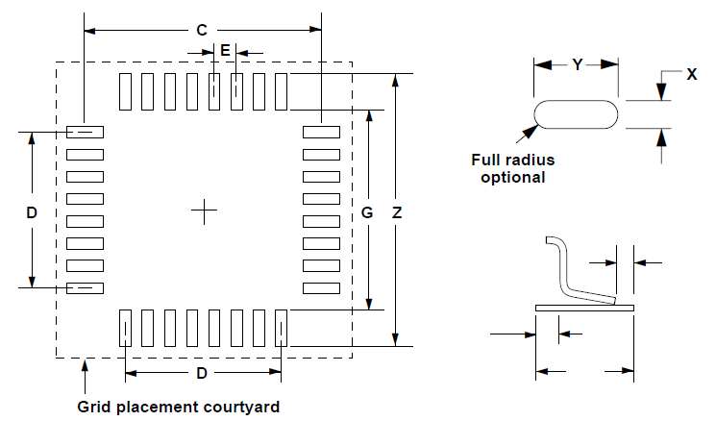
 | 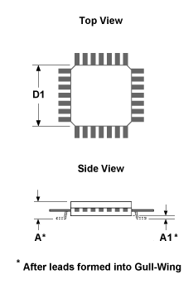 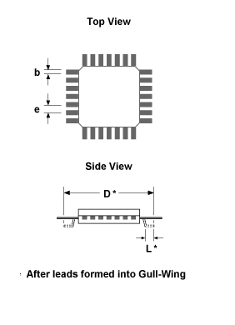

 | Fig [a] Fig [b] | Fig [c]
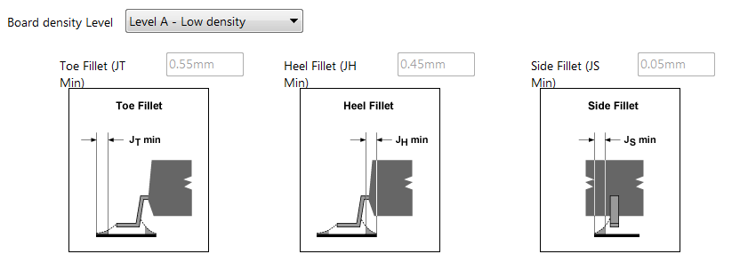
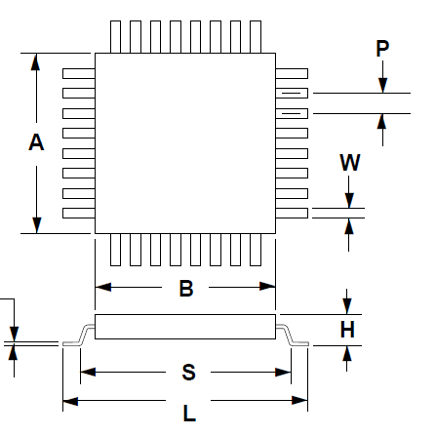

 | Fig [d] | Fig [e]
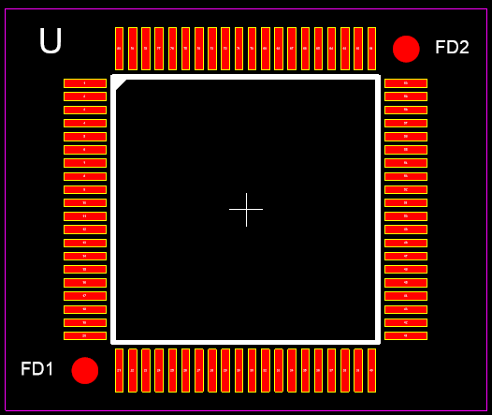
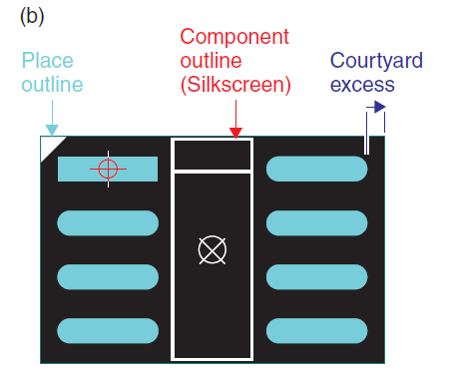
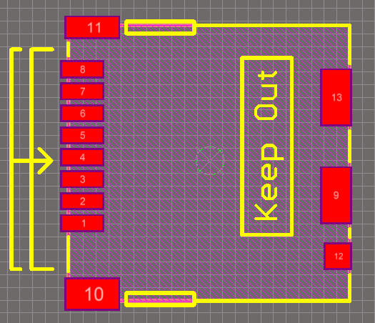

 |  | Fig [g] Fig [h]

 | Fig [f]

